요약 (수정 전, raw data 기준)
취약점 분석 결과 (요약)
종류 | 버전 | LOW | MEDIUM | HIGH | CRITICAL | 총합 | 고위험군 (HIGH/CRITICAL) | Pass / Fail
Bootstrap (Twitter) | 3.0.3 | 0 | 6 | 0 | 0 | 6 | 0 | Pass
busybox | 1_24_1 | 0 | 2 | 12 | 2 | 16 | 14 | Fail
ceph | 12.2.5 | 0 | 7 | 4 | 0 | 11 | 4 | Fail
conntrack-tools | 1.0.1 | 0 | 1 | 0 | 0 | 1 | 0 | Pass
curl | 7.61.0 | 6 | 12 | 18 | 14 | 50 | 32 | Fail
D-Bus | 1.10.20 | 0 | 1 | 1 | 0 | 2 | 1 | Fail
dhcpd | 5.2.10 | 1 | 5 | 1 | 3 | 10 | 4 | Fail
dlt-daemon | 2.17.0 | 0 | 2 | 2 | 2 | 6 | 4 | Fail
Dnsmasq | 2.79 | 4 | 3 | 2 | 0 | 9 | 2 | Fail
e2fsprogs | 1.43.5 | 0 | 2 | 0 | 0 | 2 | 0 | Pass
ffi | 1.9.21 | 0 | 0 | 1 | 0 | 1 | 1 | Fail
GLib | 2.52.3 | 0 | 1 | 4 | 1 | 6 | 5 | Fail
SAMPLE
glib-networking | 2.50.0 | 0 | 1 | 0 | 0 | 1 | 0 | Pass
GMP | 6.1.2 | 0 | 0 | 1 | 0 | 1 | 1 | Fail
GNU C Library | 2.26 | 1 | 7 | 14 | 9 | 31 | 23 | Fail
GNU Compiler Collection | 6.3.0 | 0 | 1 | 3 | 0 | 4 | 3 | Fail
GNU Core Utilities | 6.9 | 0 | 2 | 2 | 1 | 5 | 3 | Fail
GnuTLS | 3.6.13 | 0 | 0 | 4 | 4 | 8 | 8 | Fail
GStreamer | 1.12.2 | 0 | 1 | 3 | 0 | 4 | 3 | Fail
iproute2 | 3.16.0 | 0 | 1 | 0 | 0 | 1 | 0 | Pass
json-c | 0.12.1 | 0 | 0 | 1 | 0 | 1 | 1 | Fail
libexpat | 2.2.3 | 0 | 1 | 2 | 0 | 3 | 2 | Fail
libffi | 3.2.1 | 0 | 0 | 2 | 0 | 2 | 2 | Fail
libgcrypt | 1.8.4 | 0 | 4 | 2 | 0 | 6 | 2 | Fail
libsoup | 2.58.2 | 0 | 1 | 0 | 0 | 1 | 0 | Pass
libssh2 | 1.9.0 | 0 | 0 | 1 | 0 | 1 | 1 | Fail
libvorbis | 1.3.5 | 0 | 6 | 4 | 2 | 12 | 6 | Fail
libxml2 | 2.9.5 | 0 | 3 | 4 | 0 | 7 | 4 | Fail
Linux Kernel | 3.18.120 | 34 | 550 | 360 | 31 | 975 | 391 | Fail
Linux-Pam | 1.3.0 | 0 | 0 | 2 | 0 | 2 | 2 | Fail
lz4 | 1.7.4 | 0 | 1 | 1 | 0 | 2 | 1 | Fail
ncurses | 6 | 0 | 8 | 5 | 2 | 15 | 7 | Fail
Nettle | 3.5.1 | 0 | 0 | 4 | 0 | 4 | 4 | Fail
OpenSSH | 7.5p1 | 0 | 18 | 4 | 0 | 22 | 4 | Fail
OpenSSL | 1.0.2o | 6 | 16 | 6 | 0 | 28 | 6 | Fail
PCRE | 8.41 | 0 | 2 | 2 | 0 | 4 | 2 | Fail
Procps | 3.3.15 | 0 | 1 | 0 | 0 | 1 | 0 | Pass
Shadow Tool Suite | 4.2.1 | 0 | 0 | 2 | 2 | 4 | 4 | Fail
Speex | 1.2.0 | 0 | 2 | 0 | 0 | 2 | 0 | Pass
TagLib | 1.11.1 | 0 | 3 | 3 | 0 | 6 | 3 | Fail
util-linux | 2.3 | 0 | 2 | 1 | 0 | 3 | 1 | Fail

Total |  | 52 | 673 | 478 | 73 | 1276 | 489 | NG

요약 (패치 반영 후)
취약점 분석 결과 (요약)
종류 | 버전 | LOW | MEDIUM | HIGH | CRITICAL | 총합 | 고위험군 (HIGH/CRITICAL) | Pass / Fail
Bootstrap (Twitter) | 3.0.3 | 0 | 0 | 0 | 0 | 0 | 0 | Pass
busybox | 1_24_1 | 0 | 0 | 0 | 0 | 0 | 0 | Pass
ceph | 12.2.5 | 0 | 0 | 0 | 0 | 0 | 0 | Pass
conntrack-tools | 1.0.1 | 0 | 0 | 0 | 0 | 0 | 0 | Pass
curl | 7.61.0 | 0 | 0 | 0 | 0 | 0 | 0 | Pass
D-Bus | 1.10.20 | 0 | 0 | 0 | 0 | 0 | 0 | Pass
dhcpd | 5.2.10 | 0 | 0 | 0 | 0 | 0 | 0 | Pass
dlt-daemon | 2.17.0 | 0 | 0 | 0 | 0 | 0 | 0 | Pass
Dnsmasq | 2.79 | 0 | 0 | 0 | 0 | 0 | 0 | Pass
e2fsprogs | 1.43.5 | 0 | 0 | 0 | 0 | 0 | 0 | Pass
SAMPLE
ffi | 1.9.21 | 0 | 0 | 0 | 0 | 0 | 0 | Pass
GLib | 2.52.3 | 0 | 0 | 0 | 0 | 0 | 0 | Pass
glib-networking | 2.50.0 | 0 | 0 | 0 | 0 | 0 | 0 | Pass
GMP | 6.1.2 | 0 | 0 | 0 | 0 | 0 | 0 | Pass
GNU C Library | 2.26 | 0 | 0 | 0 | 0 | 0 | 0 | Pass
GNU Compiler Collection | 6.3.0 | 0 | 0 | 0 | 0 | 0 | 0 | Pass
GNU Core Utilities | 6.9 | 0 | 0 | 0 | 0 | 0 | 0 | Pass
GnuTLS | 3.6.13 | 0 | 0 | 0 | 0 | 0 | 0 | Pass
GStreamer | 1.12.2 | 0 | 0 | 0 | 0 | 0 | 0 | Pass
iproute2 | 3.16.0 | 0 | 0 | 0 | 0 | 0 | 0 | Pass
json-c | 0.12.1 | 0 | 0 | 0 | 0 | 0 | 0 | Pass
libexpat | 2.2.3 | 0 | 0 | 0 | 0 | 0 | 0 | Pass
libffi | 3.2.1 | 0 | 0 | 0 | 0 | 0 | 0 | Pass
libgcrypt | 1.8.4 | 0 | 0 | 0 | 0 | 0 | 0 | Pass
libsoup | 2.58.2 | 0 | 0 | 0 | 0 | 0 | 0 | Pass
libssh2 | 1.9.0 | 0 | 0 | 0 | 0 | 0 | 0 | Pass
libvorbis | 1.3.5 | 0 | 0 | 0 | 0 | 0 | 0 | Pass
libxml2 | 2.9.5 | 0 | 0 | 0 | 0 | 0 | 0 | Pass
Linux Kernel | 3.18.120 | 0 | 0 | 0 | 0 | 0 | 0 | Pass
Linux-Pam | 1.3.0 | 0 | 0 | 0 | 0 | 0 | 0 | Pass
lz4 | 1.7.4 | 0 | 0 | 0 | 0 | 0 | 0 | Pass
ncurses | 6 | 0 | 0 | 0 | 0 | 0 | 0 | Pass
Nettle | 3.5.1 | 0 | 0 | 0 | 0 | 0 | 0 | Pass
OpenSSH | 7.5p1 | 0 | 0 | 0 | 0 | 0 | 0 | Pass
OpenSSL | 1.0.2o | 0 | 0 | 0 | 0 | 0 | 0 | Pass
PCRE | 8.41 | 0 | 0 | 0 | 0 | 0 | 0 | Pass
Procps | 3.3.15 | 0 | 0 | 0 | 0 | 0 | 0 | Pass
Shadow Tool Suite | 4.2.1 | 0 | 0 | 0 | 0 | 0 | 0 | Pass
Speex | 1.2.0 | 0 | 0 | 0 | 0 | 0 | 0 | Pass
TagLib | 1.11.1 | 0 | 0 | 0 | 0 | 0 | 0 | Pass
util-linux | 2.3 | 0 | 0 | 0 | 0 | 0 | 0 | Pass

Total |  | 0 | 0 | 0 | 0 | 0 | 0 | OK

상세 (패치 반영 후)
검출 취약점 (상세)
종류 | 버전 | CVE ID | CVSS v3 Base Score | Security Risk | Description | URL | Status | comment
curl | 7.61.0 | CVE-2018-14618 (BDSA-2018-3058) | 9.8 | Critical | curl before version 7.61.1 is vulnerable to a buffer overrun in the NTLM authentication code. The internal function Curl_ntlm_core_mk_nt_hash multiplies the length of the password by two (SUM) to figure out how large temporary storage area to allocate from the heap. The length value is then subsequently used to iterate over the password and generate output into the allocated storage buffer. On systems with a 32 bit size_t, the math to calculate SUM triggers an integer overflow when the password length exceeds 2GB (2^31 bytes). This integer overflow usually causes a very small buffer to actually get allocated instead of the intended very huge one, making the use of that buffer end up in a heap buffer overflow. (This bug is almost identical to CVE-2017-8816.) | https://nvd.nist.gov/vuln/detail/CVE-2018-14618 | Justified | libcurl was removed from ******* version
SAMPLE
GNU C Library | 2.26 | CVE-2017-16997 (BDSA-2017-2735) | 7.8 | High | elf/dl-load.c in the GNU C Library (aka glibc or libc6) 2.19 through 2.26 mishandles RPATH and RUNPATH containing $ORIGIN for a privileged (setuid or AT_SECURE) program, which allows local users to gain privileges via a Trojan horse library in the current working directory, related to the fillin_rpath and decompose_rpath functions. This is associated with misinterpretion of an empty RPATH/RUNPATH token as the "./" directory. NOTE: this configuration of RPATH/RUNPATH for a privileged program is apparently very uncommon; most likely, no such program is shipped with any common Linux distribution. | https://nvd.nist.gov/vuln/detail/CVE-2017-16997 | Patched | Patch already applied - 적용된 패치 : https://sourceware.org/legacy-ml/libc-alpha/2017-12/msg00528.html - 내부 적용 URL : http://vgit.aaa.com/as/c/pap/yocto/vendor/hkmc/meta-mango2/+/123456
Linux-Pam | 1.3.0 | CVE-2018-17953 (BDSA-2018-4668) | 8.1 | High | A incorrect variable in a SUSE specific patch for pam_access rule matching in PAM 1.3.0 in openSUSE Leap 15.0 and SUSE Linux Enterprise 15 could lead to pam_access rules not being applied (fail open). | https://nvd.nist.gov/vuln/detail/CVE-2018-17953 | Justified | for SUSE linux only
linux_kernel | 4.1.27 | CVE-2017-12762 | 9.8 | CRITICAL | In /drivers/isdn/i4l/isdn_net.c: A user-controlled buffer is copied into a local buffer of constant size using strcpy without a length check which can cause a buffer overflow. This affects the Linux kernel 4.9-stable tree, 4.12-stable tree, 3.18-stable tree, and 4.4-stable tree. | https://nvd.nist.gov/vuln/detail/CVE-2017-12762 | Justified | [기능 미포함] kernel compile 과정에서 문제의 code 제외함
libid3tag | 1 | CVE-2008-2109 | 5 | MEDIUM | field.c in the libid3tag 0.15.0b library allows context-dependent attackers to cause a denial of service (CPU consumption) via an ID3_FIELD_TYPE_STRINGLIST field that ends in '\0', which triggers an infinite loop. | https://nvd.nist.gov/vuln/detail/CVE-2008-2109 | be left | CVSS v3 Base Score 7.0 미만으로 미조치
busybox | 1.27.2 | CVE-2021-42384 (BDSA-2021-3465) | 7.2 | High | A use-after-free in Busybox's awk applet leads to denial of service and possibly code execution when processing a crafted awk pattern in the handle_special function | https://nvd.nist.gov/vuln/detail/CVE-2021-42384 | Wiil be patched | [Fix schedule] => 1.34.0 verion will be applied by upgrading Yocto 3.3: ~ 8/31

Total |  | 0 | 47.7 | 0 | 0 | 0

첨부1. 코드영역(아키텍처)
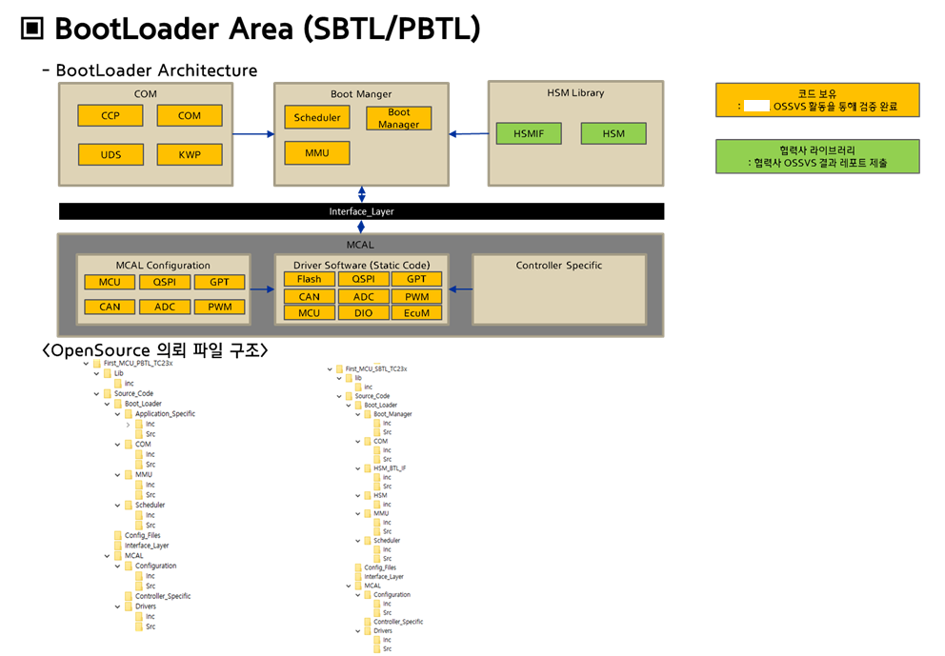
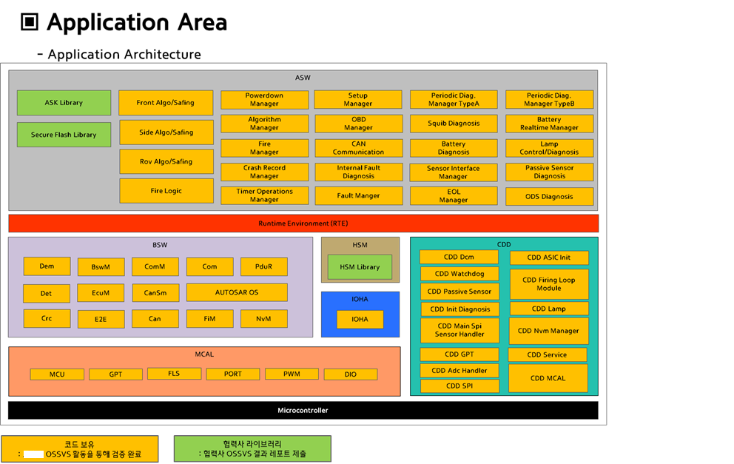
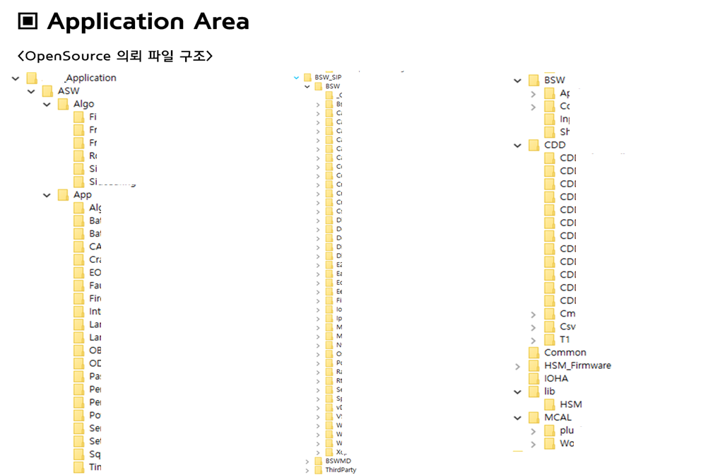
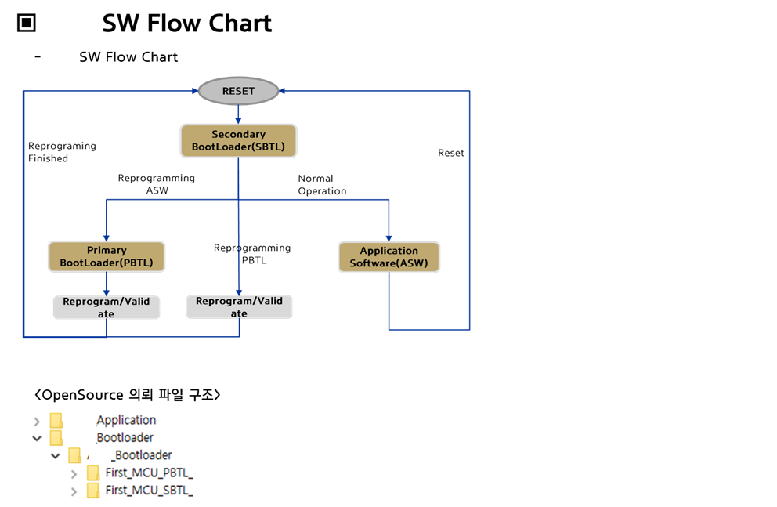
전제 소프트웨어 구조를 알 수 있도록 Architecture 및
검사 대상 파일의 디렉토리 구조를 같이 첨부하도록 한다.
※ 항목별로 성적서가 분리되어 제출될 경우(ex. 3rd party 개발) 각 영역의 개발 담당을 구분할 수 있도록 표기한다.
※ AP도 동일한 방법으로 작성하도록 한다. (필요 시 sheet 구분)
※ 파일 구조가 공개 불가일 경우 예시와 같이 일부 블러처리한 결과를 제출

첨부2. 점검 환경
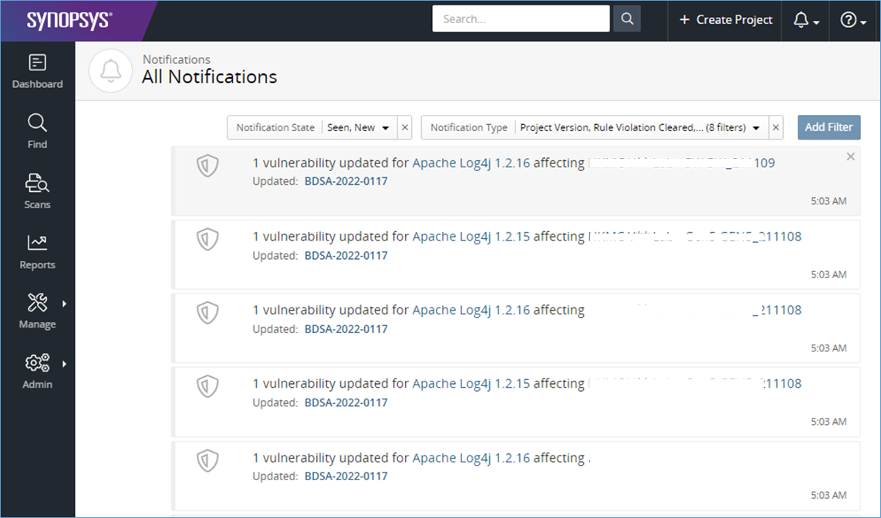
EX. 1 | ※ 취약점 DB 최신 업데이트 일자 확인 가능한 내용 첨부
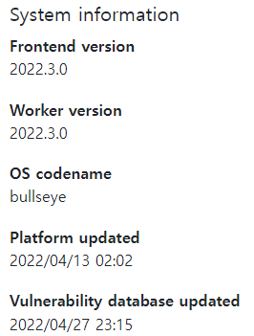

EX. 2 | ※ 취약점 DB 업데이트 정책 관련 도구사의 공식 문서 등 제시 필요 (아래 계속)

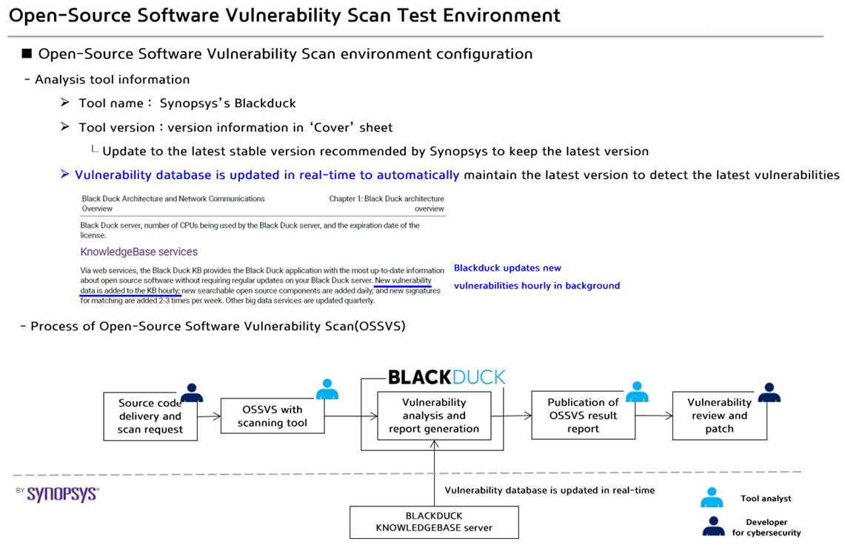

 | ※ 취약점 DB가 업데이트 되고 있음을 보여줄 수 있는 최신 업데이트 현황 캡쳐

